Summary
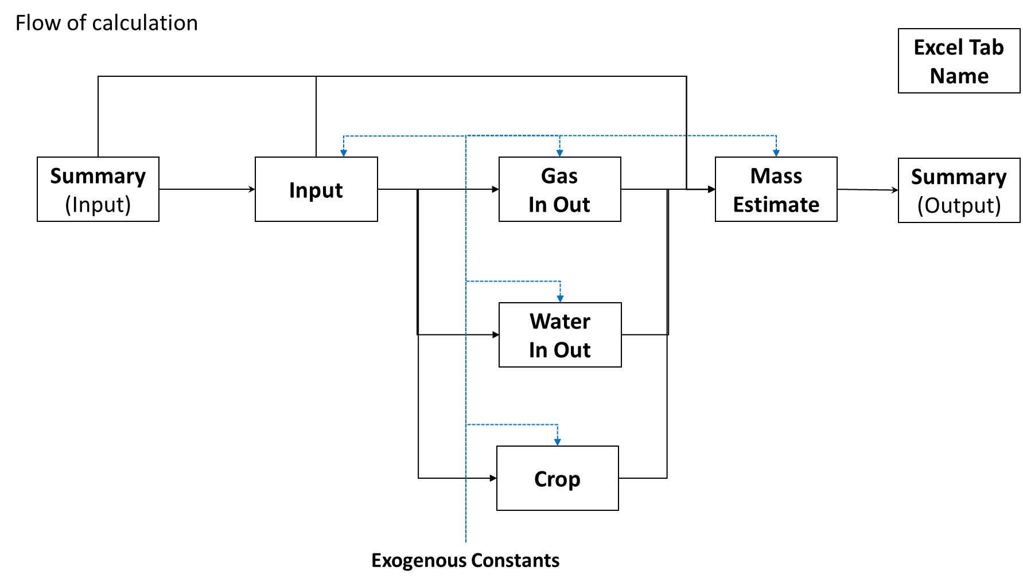
Input - Architectual Decision / Input from External Subsystems |  |  |  | ⇒ | Output - to External Subsystems |  |  |  |  | Equipment |  |  | Spares |  | Consumables
BOS-EWR |  |  |  |  | Interface |  |  |  |  | Mass[kg] | Vol[m3] | Power[W] | Mass[kg] | Vol[m3] | Mass[kg] | Vol[m3]
Food Supply | Fraction of Food Production | 50 | % |  | ISRU | Required Oxygen from ISRU | 5.04 | kg/day | ECLSS | 20555 | 66 | 209141 | 2055 | 7 | 0 | 0
 |  |  |  |  |  | Required Water from ISRU | 71.08 | kg/day | Storage | 4191 | 12 | 0 | 419 | 1 | 16146 | 46
Crew Activity | Freqency of EVA | 5 | EVA/week |  |  | Required Nitrogen from ISRU | 1.68 | kg/day | Hub Structure | 45800 | 333 | 0 | 4580 | 33 | 0 | 0
 | # of Crew/EVA | 10 | CM/EVA |  |  | CO2 Input from CDRA to Sabatier | 18.69 | kg/day | Crew Systems | 20415 | 114 | 12925 | 2042 | 11 | 11536 | 90
 | Duration of EVA | 6 | hrs/CM |  |  |  |  |  | Total | 90961 | 525 | 222066 | 9096 | 53 | 27682 | 136
 |  |  |  |  | Logistics | Required Consumables (Mass) | 36777.73 | kg/mission
Habitat Structure | Cabin Volume (Total) | 5750 | m3 |  |  | Required Consumables (Volume) | 188.82 | m3/mission
 | Cabin Volume (fixed) | 750 | m3
 | Cabin Volume (inflatable) | 5000 | m3 |  | Power Supply | Required Power (Average) | 222.07 | kW

 |  |  |  |  | Food Growth | Crew Time for Food Growth | 16.15 | CM-h/day
 |  |  |  |  |  |  | 0.32 | CM-h/day/%
 |  |  |  |  |  | Crew Time for Cooking | 9 | CM-h/day
 |  |  |  |  |  |  | 0.18 | CM-h/day/%

Gas InOut
Balance |  |  |  |  | Generation/Comsumption |  |  |  | Key Variables | Exogenous Constants
 |  | Derived from Generation/Consumption Table(Initial Input Here) |  |  | O2 |  |  |  | EVA |  |  | Source
 |  | Interface with External Subsystem |  |  | Category | Description | Amount | Unit | Oxygen Losses | 0.092 | kg/CM/h | BVAD 2015 | p131
 |  |  |  |  | EMU | O2 Loss by EVA | 7.16 | kg/day | Airlock Gas Vol | 2.9 | m3 | BVAD 2015 | p131
EMU |  |  |  |  |  | O2 Loss from Airlock | 1.38 | g/Cycle | Gas Loss per Cycle | 13.8 | kPa | MarsOne
O2 | Input | O2 Supply from Storage | 7.16 | kg/day |  |  | 0.00 | kg/day | Gas Loss from Airlock | 16.26 | mol/Cycle
 | Output | O2 Loss by EVA | -7.16 | kg/day | Habitat | O2 Loss by Leakage | 0.70 | kg/day | Oxygen Comsumption | 0.075 | kg/CM/h | BVAD 2015 | p132
 |  |  |  |  |  | O2 Consumption by Breathing | 14.69 | kg/day | CO2 Production | 0.093 | kg/CM/h | BVAD 2015 | p132
O2 Storage |  |  |  |  | BPS | O2 Generation by crops | 17.51 | kg/day
O2 | Input | O2 from BPS via ORA | 17.51 | kg/day | N2 |  |  |  | Habitat
 | Output | O2 Supply to EMU | -7.16 | kg/day | Category | Description | Amount | Unit | Leakage Rate | 0.05% | /day | BVAD 2015 | p53
 |  | O2 to Cabin | -10.35 | kg/day | EMU | N2 Loss from AirLock | 3.31 | g/Cycle | Gas Loss by Leakage | 82.122999431 | mol/day
 |  |  |  |  |  |  | 0.01 | kg/day | CO2 Generation | 1.04 | kg/CM/day | BVAD 2015 | p50
Habitat |  |  |  |  | Habitat | N2 Loss by Leakage | 1.67 | kg/day | O2 Comsumption | 0.816 | kg/CM/day | BVAD 2015 | p50
O2 | Input | O2 Supply from Storage | 10.35 | kg/day | CO2
 |  | O2 Supply from ISRU | 5.04 | kg/day | Category | Description | Amount | Unit | BPS
 | Output | O2 Loss from Airlock | 0.00 | kg/day | EMU | CO2 Loss from AirLock | 0.05 | g/Cycle
 |  | O2 Loss by Leakage | -0.70 | kg/day |  |  | 0.00 | kg/day | CRA
 |  | O2 Consumption by Breathing | -14.69 | kg/day | Habitat | CO2 Loss by Leakage | 0.03 | kg/day | Sabatier Water Production Efficiency | 0.9
 |  |  |  |  |  | CO2 Production by Breathing | 18.72 | kg/day
CO2 | Input | CO2 Production by Breathing | 18.72 | kg/day
 | Output | CO2 Loss by EVA | 0.00 | kg/day
 |  | CO2 Loss by Leakage | -0.03 | kg/day
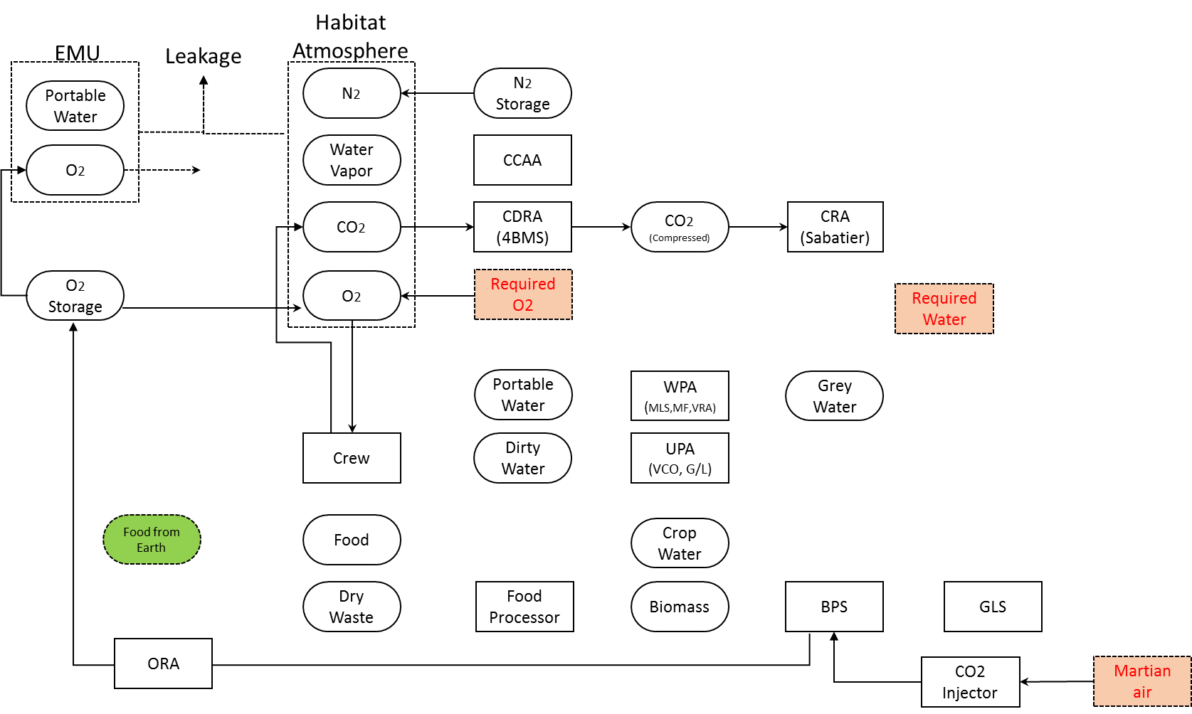
 |  | CO2 Removal by CDRA | -18.69 | kg/day

N2 | Input | N2 Supply from Storage | 1.68 | kg/day
 | Output | N2 Loss from AirLock | -0.01 | kg/day
 |  | N2 Loss by Leakage | -1.67 | kg/day

N2 Storage
N2 | Input | N2 Supply from ISRU | 1.68 | kg/day
 | Output | N2 to Cabin | -1.68 | kg/day

CRA
CO2 | Input | CO2 supply from CDRA | 18.69 | kg/day

BPS
O2 | Input | O2 Generation | 17.51 | kg/day
 | Output | ORA Removal to O2 Storage | -17.51 | kg/day

CO2 | Input | CO2 Injection from Air | 24.09 | kg/day
 | Output | CO2 Uptake | -24.09 | kg/day

Water InOut
Balance |  |  |  |  | Generation/Comsumption |  |  |  |  |  | Key Variables | Exogenous Constants
 |  | Derived from Generation/Consumption (Initial Input Here) |  |  | Category | Description | Amount | Unit | From | To | EVA |  |  | Source
 |  | Interface with External Subsystem |  |  | EMU | Cooling Water Losses | 26.79 | kg/day | Portable Water |  | Cooling Water Losses | 0.625 | kg/CM/h | BVAD 2015 | p130
 |  |  |  |  |  | Water Consumption | 10.29 | kg/day | Portable Water |  | Water Consumption | 0.24 | kg/CM/h | BVAD 2015 | p131
EMU
H2O | Input | Supply from Storage | 37.07 | kg/day | Habitat | Drinking Water | 45.00 | kg/day | Portable Water |  | Habitat
 | Output | Loss by EVA | -37.07 | kg/day |  | Prespired/Respired Water Vapor | 34.20 | kg/day |  | CCAA | Drink Water | 2.5 | kg/CM/day | BVAD 2015 | p50
 |  |  |  |  |  | Urine Flush | 9.00 | kg/day | Portable Water |  | Respiration/Perspiration Vapor | 1.9 | kg/CM/day | BVAD 2015 | p50
Habitat |  |  |  |  |  | Urine Water + Flush | 37.80 | kg/day |  | Dirty Water | Fecal Water | 0.1 | kg/CM/day | BVAD 2015 | p50
H2O | Input | Prespired/Respired Vapor | 34.20 | kg/day |  | Hygiene(Oral+Hand) | 80.10 | kg/day | Portable Water |  | Urine Water | 1.6 | kg/CM/day | BVAD 2015 | p50
 | Output | Removal by CCAA | -34.20 | kg/day |  | Hygiene(Oral+Hand) | 80.10 | kg/day |  | Grey Water | Urinal Flush | 0.5 | kg/CM/day | BVAD 2015 | p65
 |  |  |  |  |  | Shower | 48.96 | kg/day | Portable Water |  | Oral Hygiene | 0.37 | kg/CM/day | BVAD 2015 | p65
Portable Water/Crew |  |  |  |  |  | Shower | 48.96 | kg/day |  | Grey Water | Hand Wash | 4.08 | kg/CM/day | BVAD 2015 | p65
H2O | Input | Return from WPA | 486.77 | kg/day |  | Laundry | 224.46 | kg/day | Portable Water |  | Shower | 2.72 | kg/CM/day | BVAD 2015 | p65
 | Output | Supply to EMU | -37.07 | kg/day |  | Laundry | 213.66 | kg/day |  | Grey Water | Laundry Input | 12.47 | kg/CM/day | BVAD | p99
 |  | Drinking Water | -45.00 | kg/day |  |  |  |  |  |  | Laundry Output | 11.87 | kg/CM/day | BVAD 2015 | p65
 |  | Urine Flush | -9.00 | kg/day | BPS | Crop Water | 2729.51 | kg/day | Crop Water/Food Process/Portable Water
 |  | Hygiene(Oral+Hand) | -80.10 | kg/day |  | Crop Transpiration | 2647.46 | kg/day |  | Crop Water | UPA
 |  | Shower | -48.96 | kg/day |  |  |  |  |  |  | Efficiency of Water Recovery | 74% |  | MarsOne
 |  | Laundry | -224.46 | kg/day | Food Processor | Water from Food Process | 39.87 | kg/day |  | Crop Water
 |  | Crop Water | -42.18 | kg/day |  |  |  |  |  |  | WPA
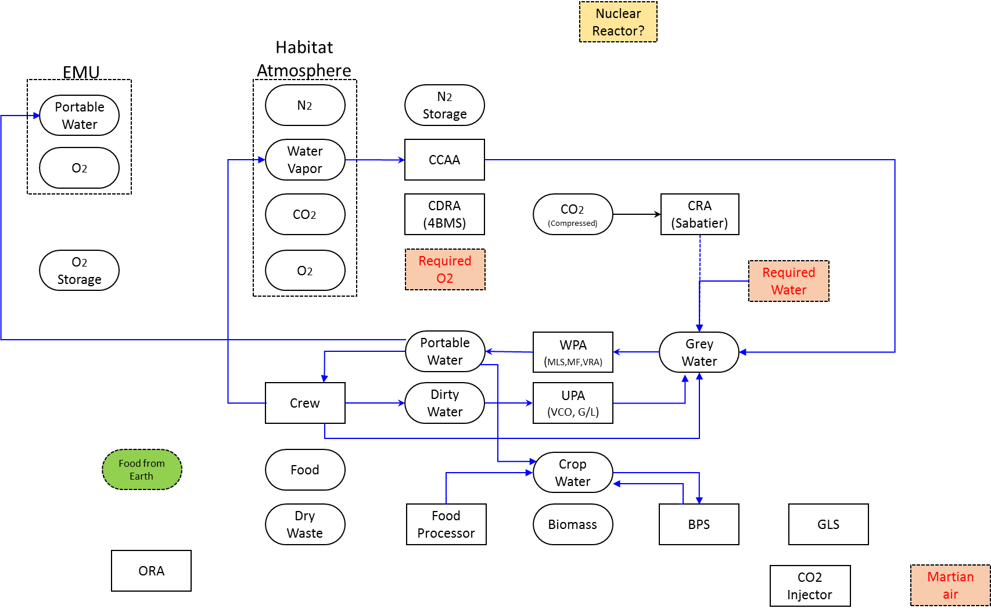
 |  |  |  |  |  |  |  |  |  |  | Efficiency of Water Recovery | 100%
CCAA
H2O | Input | Supply from Habitat | 34.20 | kg/day |  |  |  |  |  |  | BPS
 | Output | Supply to Grey Water | -34.20 | kg/day |  |  |  |  |  |  | Biomass Production Water Comsumption | 4 | kg/m2/day | BVAD | p99

Dirty Water/UPA |  |  |  |  |  |  |  |  |  |  | Food Process
H2O | Input | Urine Water + Flush | 37.80 | kg/day |  |  |  |  |  |  | Efficiency of Water Recovery from Inedible Mass | 50% | Assumption
 | Output | Supply to Grey Water | -27.972 | kg/day
 |  | Store as waste | -9.83 | kg/day

Grey Water/WPA
H2O | Input | Supply from CCAA | 34.20 | kg/day
 |  | Supply from UPA | 27.972 | kg/day
 |  | Supply from Crew | 353.52 | kg/day
 |  | Supply from ISRU | 71.08 | kg/day
 | Output | Supply to Portable Water | -486.77 | kg/day

Crop Water
 | Input | Supply from Portable Water | 42.18 | kg/day
 |  | Crop Transpiration | 2647.46 | kg/day
 |  | From Food Process | 39.87 | kg/day
 | Output | Crop Water Uptake | -2729.51 | kg/day

